G20
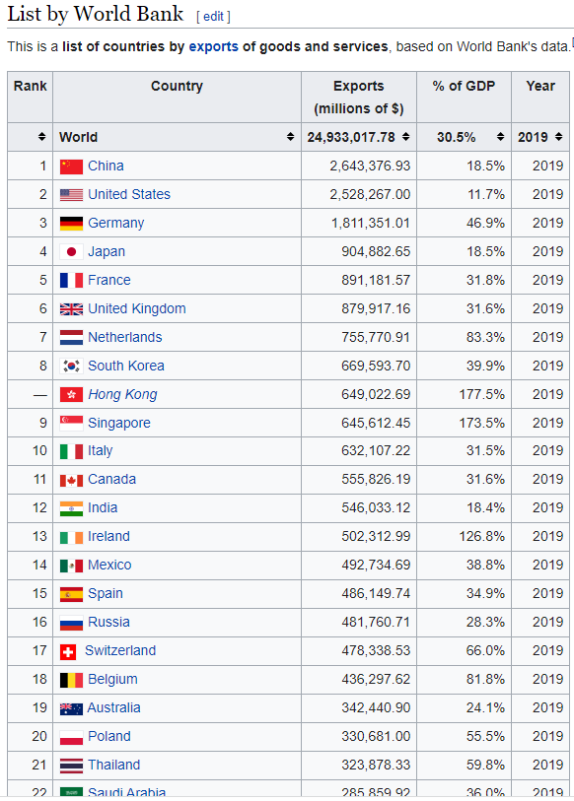
Country | Last | Previous | Reference | Unit | Exchange Rate | USDMil
China | 3255 | 3002 | 2021-11-21 | USD HML | 100 | 300,200
United States | 223633 | 206796 | 2021-10-21 | USD Million | 1 | 206,796
Germany | 121300 | 117864 | 2021-10-21 | EUR Million | 1.1764705882 | 138,664
Japan | 7367 | 7184 | 2021-11-21 | JPY Billion | 9.5238095238 | 68,419
United Kingdom | 51001 | 50480 | 2021-10-21 | GBP Million | 1.3140604468 | 66,334
Netherlands | 51001 | 51675 | 2021-10-21 | EUR Million | 1.1764705882 | 60,794
Saudi Arabia | 237491 | 211433 | 2021-06-21 | Million SAR | 0.26666666667 | 56,382
South Korea | 60444 | 55619 | 2021-11-21 | USD Million | 1 | 55,619
Italy | 46030 | 44793 | 2021-10-21 | EUR Million | 1.1764705882 | 52,698
France | 43103 | 41996 | 2021-10-21 | EUR Million | 1.1764705882 | 49,407
Russia | 46579 | 45580 | 2021-10-21 | USD Million | 1 | 45,580
Mexico | 41957 | 41680 | 2021-10-21 | USD Million | 1 | 41,680
Canada | 56183 | 53000 | 2021-10-21 | CAD Million | 0.75187969925 | 39,850
Singapore | 54837 | 53385 | 2021-11-21 | Million SGD | 0.73529411765 | 39,254
India | 30.04 | 35.65 | 2021-11-21 | USD billion | 1000 | 35,650
Spain | 28719572 | 28336689 | 2021-10-21 | EUR Thousand | 0.0011764705882 | 33,337
Australia | 43053 | 44544 | 2021-10-21 | AUD Million | 0.71428571429 | 31,817
Brazil | 20296 | 22518 | 2021-11-21 | USD Million | 1 | 22,518
Indonesia | 22842 | 22026 | 2021-11-21 | USD Million | 1 | 22,026
Switzerland | 20825 | 21132 | 2021-10-21 | CHF million | 1.0373443983 | 21,921
Turkey | 20792 | 20736 | 2021-10-21 | USD Million | 1 | 20,736
South Africa | 147919 | 156929 | 2021-10-21 | ZAR Million | 0.070921985816 | 11,130
Argentina | 6848 | 7553 | 2021-10-21 | USD Million | 1 | 7,553

Visual
US Top10 | Country | US_USDMil | US% |  |  |  | Continent | Country | US_Rank | US_USDMil | US% | CN_Rank | CN_USDMil | CN% | Dominate | US Share | China Share |  | US | CN
0 | Canada | 27,307 | 12% | 1 | North America | 3 | Asia | China | 4 | 16,635 | 0.074387 | 72 |  |  | US | 100% | 0% | Asia
1 | European Union | 26,327 | 12% | 2 | Europe | 4 | Asia | Japan | 5 | 7,008 | 0.031338 | 3 | 15,320 | 5% | China | 31% | 69% | Europe
2 | Mexico | 24,473 | 11% | 3 | South America | 7 | Asia | South Korea | 8 | 5,100 | 0.022804 | 54 | 186 | 0% | US | 96% | 4% | North America
3 | China | 16,635 | 7% | 4 | Asia | 10 | Asia | India | 11 | 3,713 | 0.016604 | 7 | 9,561 | 3% | China | 28% | 72% | South America
4 | Japan | 7,008 | 3% | 5 | Asia | 11 | Asia | Taiwan | 12 | 3,356 | 0.015008 | 10 | 7,323 | 2% | China | 31% | 69% | Africa
5 | Germany | 6,110 | 3% | 6 | Europe | 15 | Asia | Hong Kong | 16 | 2,955 | 0.013214 | 2 | 35,698 | 11% | China | 8% | 92%
6 | United Kingdom | 5,506 | 2% | 7 | Europe | 24 | Asia | Malaysia | 25 | 1,375 | 0.006147 | 8 | 8,967 | 3% | China | 13% | 87%
7 | South Korea | 5,100 | 2% | 8 | Asia | 33 | Asia | Vietnam | 34 | 790 | 0.003531 | 4 | 12,954 | 4% | China | 6% | 94%
8 | Netherlands | 5,001 | 2% | 9 | Europe | 1 | Europe | European Union | 2 | 26,327 | 0.117722 | 71 |  |  | US | 100% | 0%
9 | Brazil | 4,615 | 2% | 10 | South America | 5 | Europe | Germany | 6 | 6,110 | 0.027321 | 5 | 10,841 | 3% | China | 36% | 64%
 |  | 223,633 |  |  |  | 6 | Europe | United Kingdom | 7 | 5,506 | 0.024622 | 9 | 7,921 | 2% | China | 41% | 59%
China Top 10 | Country | CN_USDMil | CN% |  |  | 8 | Europe | Netherlands | 9 | 5,001 | 0.022361 | 6 | 10,325 | 3% | China | 33% | 67%
195 | United States | 54,718 | 17% | 1 | North America | 0 | North America | Canada | 1 | 27,307 | 0.122106 | 17 | 5,093 | 2% | US | 84% | 16%
15 | Hong Kong | 35,698 | 11% | 2 | Asia | 195 | North America | United States | 196 |  |  | 1 | 54,718 | 17% | China | 0% | 100%
4 | Japan | 15,320 | 5% | 3 | Asia | 2 | South America | Mexico | 3 | 24,473 | 0.109434 | 15 | 5,957 | 2% | US | 80% | 20%
33 | Vietnam | 12,954 | 4% | 4 | Asia | 9 | South America | Brazil | 10 | 4,615 | 0.020636 | 18 | 5,066 | 2% | China | 48% | 52%
5 | Germany | 10,841 | 3% | 5 | Europe
8 | Netherlands | 10,325 | 3% | 6 | Europe
10 | India | 9,561 | 3% | 7 | Asia
24 | Malaysia | 8,967 | 3% | 8 | Asia
6 | United Kingdom | 7,921 | 2% | 9 | Europe
11 | Taiwan | 7,323 | 2% | 10 | Asia
 |  | 325,500

